leukaemia_cll_i17
Chronic Lymphocytic Leukaemia (C91.1): 2015-2017

Average Number of New Cases Per Year and Age-Specific Incidence Rates per 100,000 Population, UK

Age Range | Female Cases | Male Cases | Female Rates | Male Rates
0 to 04 | 0 | 1 | 0.0 | 0.0
05 to 09 | 0 | 1 | 0.0 | 0.0
10 to 14 | 0 | 0 | 0.0 | 0.0
15 to 19 | 1 | 1 | 0.1 | 0.1
20 to 24 | 0 | 1 | 0.0 | 0.1
25 to 29 | 0 | 1 | 0.0 | 0.1
30 to 34 | 1 | 3 | 0.0 | 0.1
35 to 39 | 3 | 9 | 0.1 | 0.4
40 to 44 | 12 | 27 | 0.6 | 1.3
45 to 49 | 27 | 61 | 1.2 | 2.7
50 to 54 | 50 | 121 | 2.1 | 5.3
55 to 59 | 88 | 189 | 4.3 | 9.4
60 to 64 | 137 | 280 | 7.6 | 16.1
65 to 69 | 211 | 388 | 11.4 | 22.4
70 to 74 | 236 | 406 | 15.6 | 29.4
75 to 79 | 218 | 367 | 18.6 | 36.9
80 to 84 | 201 | 284 | 22.0 | 40.8
85 to 89 | 148 | 172 | 24.2 | 45.2
90+ | 88 | 89 | 22.1 | 51.8
All Ages | 1,423 | 2,401 | 4.3 | 8.7

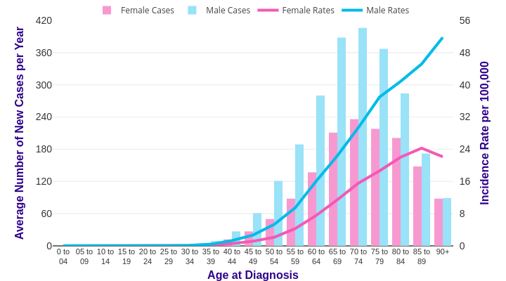

Source: cruk.org/cancerstats

You are welcome to reuse this Cancer Research UK statistics content for your own work.
Credit us as authors by referencing Cancer Research UK as the source.
Suggested style: Cancer Research UK, full URL of the page, Accessed [month] [year].

